EXERCISE 04
EXERCISE 04

NAMING RANGES
1. Name the following data ranges:
A2:A52, "Customer_Name"
B2:B52, "Quantity"
C2:C52, "Price_Per_Item"
D2:D52, "Total"
E2:E52, "Sales_Tax"
F2:F52, "Total_Inc_Tax"
2. Name H2:I2, "Tax_Rate"
NOTE: Try and use all of the different methods for creating named ranges.
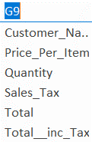

USING NAMED RANGES IN FORMULAS

1. Replace the reference to cell I2 in the 'Sales Tax' formula in column E with the named range.
2. Re-calculate the formulas in cell range I4:I8, using the named ranges instead of cell references.

